User story
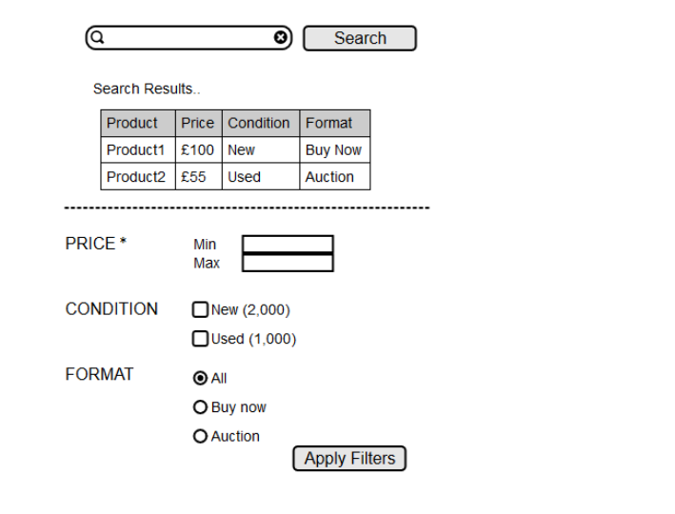
Application: E-commerce
Feature: Search Engine + Sort by Pricing and Condition

User Story:
As a customer
I want to filter the products based on “Price and Condition”
so that I can easily and quickly find a product based on my needs

UACs:
User can filter products based on Min & Max Price Range and “New condition”
User can filter products based on Min & Max Price Range and “Used condition”

